Sheet1
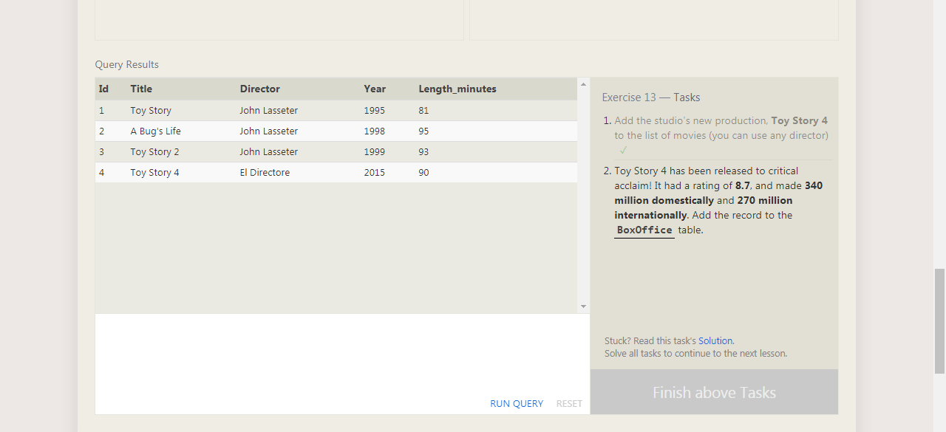

INSERT INTO movies VALUES (4, "Toy Story 4", "El Directore", 2015, 90);

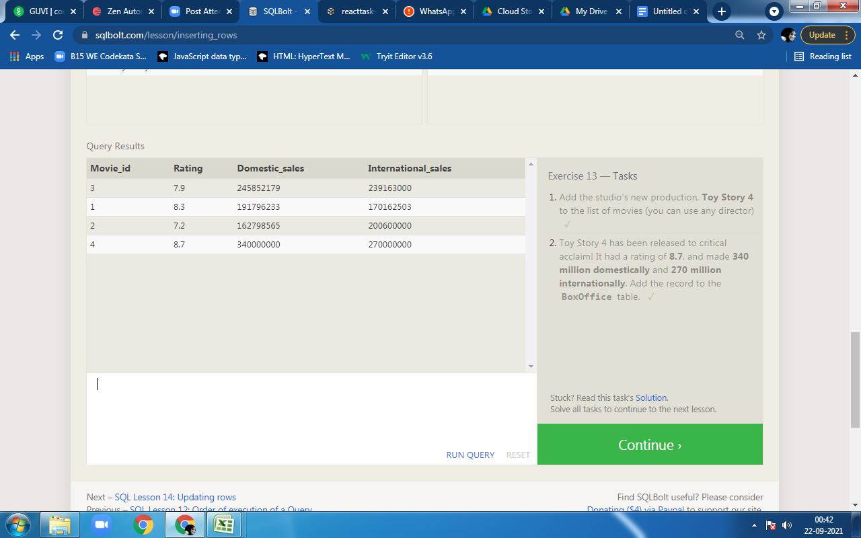

 | INSERT INTO boxoffice VALUES (4, 8.7, 340000000, 270000000);

